Indicators
Recycling rate = recyling_n/waste_n
Product | 2020 | 2021 | 2022 | 2023 | 2024 | 2025 | 2026 | 2027 | 2028 | 2029 | 2030
Food packaging 2d | 37% | 37% | 37% | 37% | 37% | 37% | 37% | 37% | 37% | 37% | 37%
Food packaging bottles | 47% | 47% | 47% | 47% | 47% | 47% | 47% | 47% | 47% | 47% | 47%
Food packaging other | 17% | 17% | 17% | 17% | 17% | 17% | 17% | 17% | 17% | 17% | 17%
Non-food packaging 2d | 37% | 37% | 37% | 37% | 37% | 37% | 37% | 37% | 37% | 37% | 37%
Non-food packaging bottles | 47% | 47% | 47% | 47% | 47% | 47% | 47% | 47% | 47% | 47% | 47%
Non-food packaging other | 17% | 17% | 17% | 17% | 17% | 17% | 17% | 17% | 17% | 17% | 17%
Fibers | 8% | 8% | 9% | 9% | 9% | 10% | 10% | 10% | 10% | 10% | 10%
Sum | 20% | 20% | 20% | 21% | 21% | 21% | 21% | 21% | 21% | 21% | 21%
Sum packaging | 30% | 30% | 30% | 30% | 30% | 30% | 30% | 29% | 29% | 29% | 29%

Circular material use rate = recycling_(n-1)/production_n
Product | 2020 | 2021 | 2022 | 2023 | 2024 | 2025 | 2026 | 2027 | 2028 | 2029 | 2030
Sum Fibers | 7% | 7% | 7% | 7% | 7% | 7% | 7% | 7% | 7% | 7% | 7%
Sum Packaging | 25% | 22% | 22% | 22% | 22% | 22% | 22% | 22% | 22% | 21% | 21%
Sum | 17.3% | 15.6% | 15.5% | 15.4% | 15.3% | 15.2% | 15.1% | 15.0% | 15.0% | 14.9% | 14.8%

Closed loop cicularity rate = recycling(same material)_(n)/production_n
Product | 2020 | 2021 | 2022 | 2023 | 2024 | 2025 | 2026 | 2027 | 2028 | 2029 | 2030
Sum fibers | 7% | 7% | 7% | 7% | 7% | 7% | 7% | 7% | 7% | 7% | 7%
Sum packaging | 11% | 10% | 10% | 10% | 10% | 10% | 10% | 10% | 10% | 10% | 10%
Sum | 9.8% | 9.2% | 9.2% | 9.1% | 9.1% | 9.1% | 9.1% | 9.1% | 9.1% | 9.1% | 9.1%

Recycling(same material) percentage
Product | 2020 | 2021 | 2022 | 2023 | 2024 | 2025 | 2026 | 2027 | 2028 | 2029 | 2030
Food packaging 2d | 0% | 0% | 0% | 0% | 0% | 0% | 0% | 0% | 0% | 0% | 0%
Food packaging bottles | 100% | 100% | 100% | 100% | 100% | 100% | 100% | 100% | 100% | 100% | 100%
Food packaging other | 73% | 75% | 75% | 75% | 75% | 76% | 76% | 76% | 77% | 77% | 77%
Non-food packaging 2d | 0% | 0% | 0% | 0% | 0% | 0% | 0% | 0% | 0% | 0% | 0%
Non-food packaging bottles | 100% | 100% | 100% | 100% | 100% | 100% | 100% | 100% | 100% | 100% | 100%
Non-food packaging other | 18% | 19% | 19% | 19% | 19% | 19% | 19% | 19% | 20% | 20% | 20%
Fibers | 67% | 70% | 70% | 71% | 71% | 72% | 72% | 73% | 73% | 74% | 74%

Recycling(same material) amount
Product | 2020 | 2021 | 2022 | 2023 | 2024 | 2025 | 2026 | 2027 | 2028 | 2029 | 2030
Food packaging 2d | 0.00 | 0.00 | 0.00 | 0.00 | 0.00 | 0.00 | 0.00 | 0.00 | 0.00 | 0.00 | 0.00
Food packaging bottles | 47.94 | 42.99 | 44.02 | 45.08 | 46.16 | 47.27 | 48.40 | 49.56 | 50.75 | 51.97 | 53.22
Food packaging other | 206.67 | 198.09 | 205.22 | 212.61 | 220.26 | 228.19 | 236.41 | 244.92 | 253.74 | 262.87 | 272.34
Non-food packaging 2d | 0.00 | 0.00 | 0.00 | 0.00 | 0.00 | 0.00 | 0.00 | 0.00 | 0.00 | 0.00 | 0.00
Non-food packaging bottles | 133.63 | 119.84 | 122.71 | 125.66 | 128.67 | 131.76 | 134.92 | 138.16 | 141.48 | 144.87 | 148.35
Non-food packaging other | 79.02 | 75.74 | 78.47 | 81.29 | 84.22 | 87.25 | 90.39 | 93.65 | 97.02 | 100.51 | 104.13
Fibers | 189.64 | 198.74 | 208.28 | 218.28 | 228.75 | 239.73 | 251.24 | 263.30 | 275.94 | 289.18 | 303.07
Sum | 656.90 | 635.40 | 658.70 | 682.91 | 708.07 | 734.21 | 761.37 | 789.59 | 818.92 | 849.41 | 881.10

Scenario
 |  | RR | CMUR | CLCR
S0: Baseline |  | 21% | 15% | 9% | 0% | 0% | 0%
S1: Collection |  | 28% | 19% | 11% | 35% | 27% | 21%
S2: Closed loop |  | 33% | 21% | 21% | 58% | 43% | 129%
S3: Fibers |  | 40% | 25% | 13% | 94% | 66% | 46%

 |  | 20% | 15% | 9% | 0% | 0% | 0%
 |  | 27% | 19% | 11% | 35% | 27% | 21%
 |  | 31% | 21% | 21% | 57% | 43% | 129%
 |  | 39% | 25% | 13% | 93% | 66% | 46%

 |  | S0: Baseline | S1: Collection | S2: Closed loop | S3: Fibers | variance |  |  |  | S0: Baseline | S1: Collection | S2: Closed loop | S3: Fibers
 | Recycling rate (RR) | 20% | 27% | 31% | 39% | 0% | 7% | 11% | 19% | 0% | +35% | +57% | +93%
 | Circular material use rate (CMUR) | 15% | 19% | 21% | 25% | 0% | 4% | 6% | 10% | 0% | +27% | +43% | +66%
 | Closed loop circularity rate (CLCR) | 9% | 11% | 21% | 13% | 0% | 2% | 12% | 4% | 0% | +21% | +129% | +46%

 | S0: Baseline | S1: Collection | S2: Closed loop | S3: Fibers | Vægt | % of 360 | start angle | finish angle | 0 | 1 | 2 | 3
RR | 0.19985010623 | 0.26978276818 | 0.3142939532 | 0.38524761246 | 1.00 | 0.33333333333 | 0.00 | 120.00 | 0.20 | 0.27 | 0.31 | 0.39
CMUR | 0.14774712875 | 0.18823038873 | 0.21139119996 | 0.24538808733 | 1.00 | 0.33333333333 | 120.00 | 240.00 | 0.00 | 0.00 | 0.00 | 0.00
CLCR | 0.091048799411 | 0.11012107351 | 0.20832369324 | 0.13268271775 | 1.00 | 0.33333333333 | 240.00 | 360.00 | 0.00 | 0.00 | 0.00 | 0.00

 | 0 | S0: Baseline | S1: Collection | S2: Closed loop | S3: Fibers
 | Recycling rate (RR) | 19.985010623 | 26.978276818 | 31.42939532 | 38.524761246
 | Circular material use rate (CMUR) | 14.774712875 | 18.823038873 | 21.139119996 | 24.538808733
 | Closed loop circularity rate (CLCR) | 9.1048799411 | 11.012107351 | 20.832369324 | 13.268271775

 |  | S0: Baseline | S1: Collection | S2: Closed loop | S3: Fibers
 | Recycling rate (RR) | 0.00 | 7% | 0.00 | 0.19
 | Circular material use rate (CMUR) | 0.00 | 4% | 0.00 | 0.10
 | Closed loop circularity rate (CLCR) | 0.00 | 2% | 0.00 | 0.04

Indicators graph
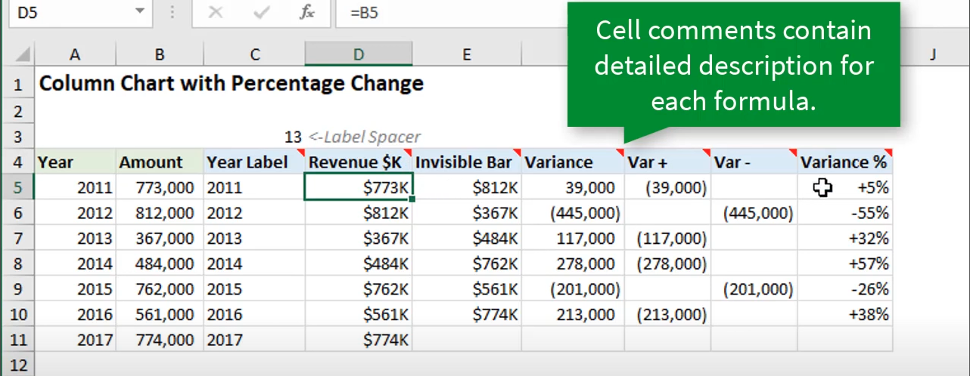
Scenario |  | RR | Variance - | Variance % |  | CMUR | Variance - | Variance %
S0: Baseline | 21% | 21% | 0% | 0% | 15% | 15% | 0% | 0%
S1: Collection | 21% | 28% | 7% | 35% | 15% | 19% | 4% | 27%
S2: Closed loop | 21% | 33% | 12% | 58% | 15% | 21% | 6% | 43%
S3: Fibers | 21% | 40% | 19% | 94% | 15% | 25% | 10% | 66%

0 | S0: Baseline | S1: Collection | S2: Closed loop | S3: Fibers | variance |  |  |  | variance %
Recycling rate (RR) | 20% | 27% | 31% | 39% | 0% | 7% | 11% | 19% | 0% | 35% | 57% | 93%
Circular material use rate (CMUR) | 15% | 19% | 21% | 25% | 0% | 4% | 6% | 10% | 0% | 27% | 43% | 66%
Closed loop circularity rate (CLCR) | 9% | 11% | 21% | 13% | 0% | 2% | 12% | 4% | 0% | 21% | 129% | 46%

